2006-2013
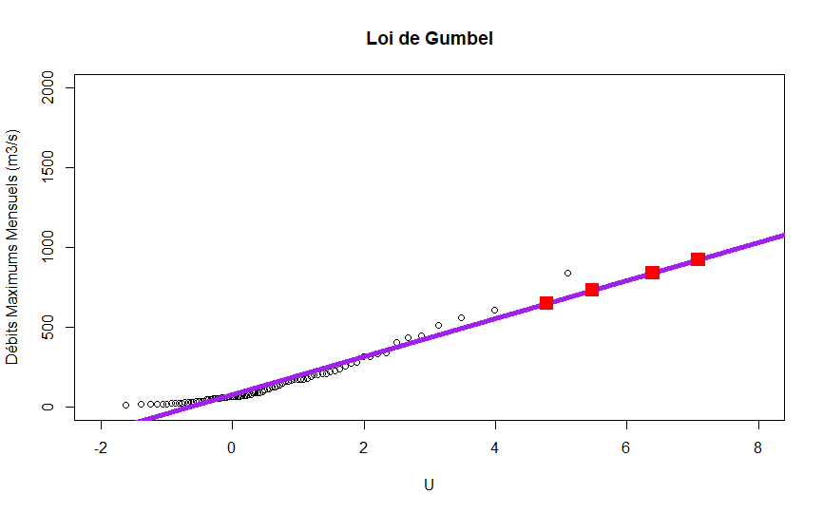
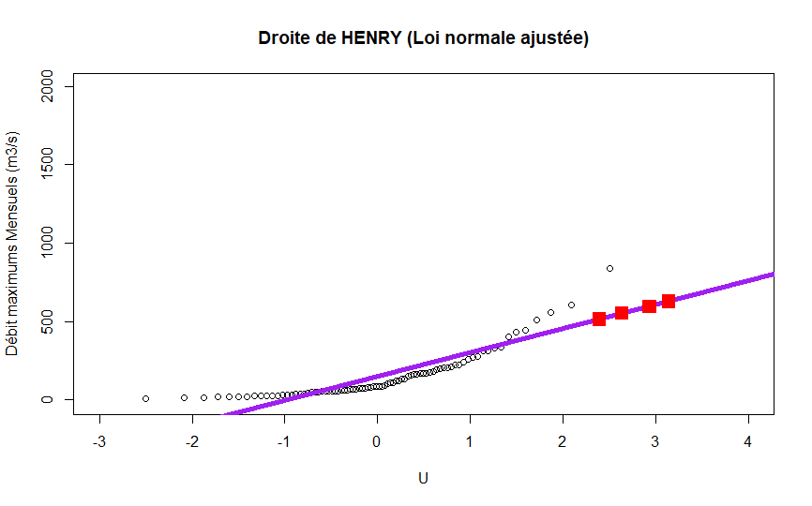
Month Gumbel 2003-2013 |  |  |  |  | Month Normal 2003-2013
Time | Return period in months | Frequency | Standardized Value | Discharge | Time | Return period in months | Frequency | Standardized Value | Discharge
1 | 120 | 0.9916667 | 4.783311 | 648.3042 | 1 | 120 | 0.9916667 | 2.39398 | 513.3645
2 | 240 | 0.9958333 | 5.478552 | 730.9094 | 2 | 240 | 0.9958333 | 2.638257 | 550.589
3 | 600 | 0.9983333 | 6.396096 | 839.9275 | 3 | 600 | 0.9983333 | 2.935199 | 595.839
4 | 1200 | 0.9991667 | 7.08966 | 922.3334 | 4 | 1200 | 0.9991667 | 3.14398 | 627.6543

1994
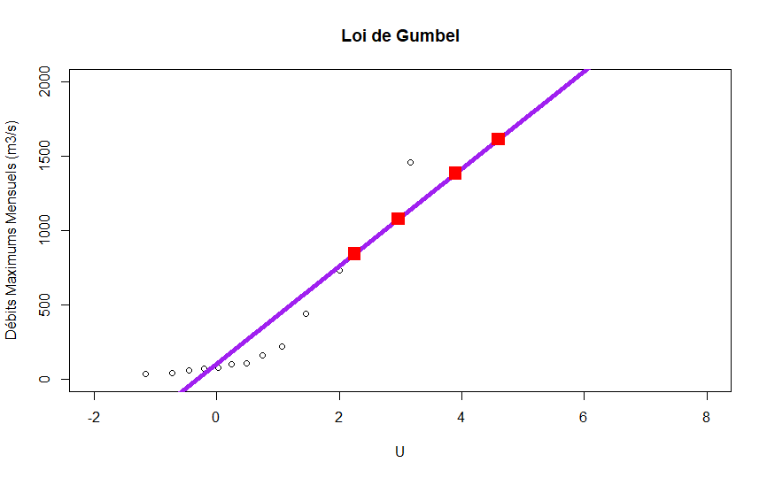
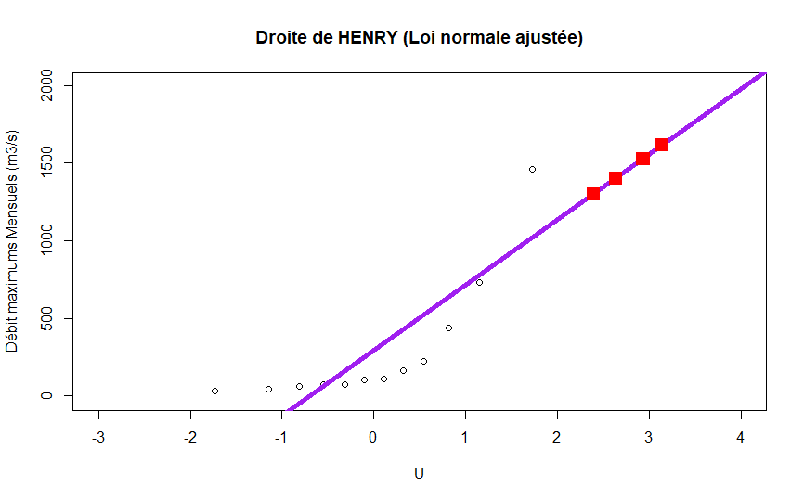
Gumbel_Month_1994 |  |  |  |  | Gumbel_Normal_1994

Time | Return period in months | Frequency | Standardized Value | Discharge | Time | Return period in months | Frequency | Standardized value | Discharge
1 | 120 | 0.9916667 | 4.783311 | 1672.091 | 1 | 120 | 0.9916667 | 2.39398 | 1299.696
2 | 240 | 0.9958333 | 5.478552 | 1900.058 | 2 | 240 | 0.9958333 | 2.638257 | 1402.425
3 | 600 | 0.9983333 | 6.396096 | 2200.916 | 3 | 600 | 0.9983333 | 2.935199 | 1527.302
4 | 1200 | 0.9991667 | 7.08966 | 2428.333 | 4 | 1200 | 0.9991667 | 3.14398 | 1615.103

